1. Title Page
Grocery Basket Analysis

Project Name: Instacart Grocery Basket Analysis
Date: October 26th, 2023
Analyst Name: Colton Kraft
Citation: “The Instacart Online Grocery Shopping Dataset 2017”, Accessed from www.instacart.com/datasets/grocery-shopping-2017 via Kaggle on September 26th, 2023.

Contents:
Population Flow
Consistency checks
Wrangling steps
Column derivations
Visualizations
Recommendations

2. Population Flow
Title page

Population flow

Exclusion flag
Condition: max_order <
Obervations to be removed:
Final total count of order_products_all:

Orders_products_combined
Orders_products_merged
Orders_products_all

Total: 32404859, 17
Total: 32434489, 9
Total: 32404859, 36

1.) The grey boxes in the first row of the population flow represent the original data sets as they were when you downloaded them. In the Total fields you need to add the count of the rows when you imported the data set into Jupyter.
2.) The second row of boxes (coloured) represents the data sets after you manipulated them, e.g., removed missing values and duplicates. In the Total fields you need to add the count of the rows after conducting these operations. This offers a visual oveview of how the data flows throughout the data consistency checks.
3.) The third row, where also the arrows are coloured, represents the merges you performed between the datasets. In the Total fields you need to add the count of the rows in the merged datasets, so that you end up with the final dataset (in the red box). Keep in mind the final dataset should be without exclusions (based on the exclusion flag).

3. Consistency checks
 |  |  |  | Title page
Consistency checks

Dataset | Missing values | Missing values treatment | Duplicates
orders | There were 206,209 missing values (NaN) in the "days_since_prior_order" column. | No treatment needed. The NaN values likely represent orders that were the customer's first order. The order number is 1 for all of these values. | No duplicates found.
products | 16 missing values within the product_name column. | 16 values removed. | 5 duplicates were found and then removed.
orders_products_prior | No missing values. | No treament needed. | No duplicates found.
customers | 11,259 first names were missing and imputed NaN value. | The first names were left as NaN values. The rest of the information for each column was filled out and tied to a unique customer ID. | No duplicates found.

4. Wrangling steps
 |  |  |  | Title page
Wrangling steps

Columns dropped | Columns renamed | Columns' type changed | Comment/Reason
eval_set |  |  | This column was unneeded.
 | First Name |  | First Name became first_name to match style of other columns.
 | Surnam |  | Surnam became last_name to match style of other columns.
 | Gender |  | Gender became gender to match style of other columns.
 | STATE |  | STATE became state to match style of other columns.
 | Age |  | Age became age to match style of other columns
 |  | first_name', 'last_name', 'gender', 'state', 'age', 'n_dependents', 'fam_status', 'income' | These columns contain PII data. Typically this data must be deleted or secured. However, Career Foundry overwrote this data prior to using it for educational purposes. These columns remained due to them being fictional.

5. Column derivations
 |  |  |  | Title page

Column derivations and aggregations

Dataset | New column | Column/s it was derived from | Conditions
orders_products_merge_loyalty.pkl | loyalty_flag | max_order | ords_prods_merge.loc[ords_prods_merge['max_order'] > 40, 'loyalty_flag'] = 'Loyal customer' ords_prods_merge.loc[(ords_prods_merge['max_order'] <= 40) & (ords_prods_merge['max_order'] > 10), 'loyalty_flag'] = 'Regular customer' ords_prods_merge.loc[ords_prods_merge['max_order'] <= 10, 'loyalty_flag'] = 'New customer'
orders_products_agg_flags | spending_flag | avg_price | ['avg_price'] < 10, 'spending_flag'] = 'Low spender', ['avg_price'] >= 10, 'spending_flag'] = 'High spender'
orders_products_agg_flags | frequency_flag | user_prices_mean | ords_prods_merge.loc[ords_prods_merge['user_prices_mean'] >= 10, 'spending_flag'] = 'High spender' ords_prods_merge.loc[ords_prods_merge['user_prices_mean'] < 10, 'spending_flag'] = 'Low spender'
final_instacart.pkl | region | state | Northeast = Connecticut, Maine, Massachusetts, New Hampshire, Rhode Island, Vermont, New Jersey, New York, and Pennsylvania. Midwest = Illonois, Indiana, Michigan, Ohio, Wisconsin, Iowa, Kansas, Minnesota, Missouri, Nebraska, North Dakota, and South Dakota. South = Delaware, Florida, Georgia, Maryland, North Carolina, South Carolina, Virginia, Washington D.C., West Virginia, Alabama, Kentucky, Mississippi, Tennessee, Arkansas, Louisiana, Oklahoma, and Texas. West = Arizona, Colorado, Idaho, Montana, Nevada, New Mexico, Utah, Wyoming, Alaska, California, Hawaii, Oregon, and Washington.
final_instacart.pkl | activity_flag | max_order | ['max_order'] > 4, 'activity_flag'] = 'normal customer', ['max_order'] <= 4, 'activity_flag'] = 'low-activity customer'
final_instacart.pkl | income_bracket | income | ['income'] < 67000, 'income_bracket'] = 'Low income customer', ['income'] >= 67000) & (ords_prods_cust_merge['income'] < 127000), 'income_bracket'] = 'mid income customer', ['income'] >= 127000, 'income_bracket'] = 'High income customer'
final_instacart.pkl | age_bracket | age | ['age'] >= 18) & (ords_prods_cust_merge['age'] < 40), 'age_bracket'] = 'Young adult', ['age'] >= 40) & (ords_prods_cust_merge['age'] < 65), 'age_bracket'] = 'Middle-aged adult', ['age'] >= 65, 'age_bracket'] = 'Old adult'
final_instacart.pkl | parental_status | n_dependents | ['n_dependants'] < 1, 'parental_status'] = 'Non-parent', ['n_dependants'] > 0, 'parental_status'] = 'Parent'
final_instacart.pkl | age_parental | age_bracket and parental_status | Takes parental status and age bracket and combines them. Example - ['parental_status'] == 'Parent') & (ords_prods_cust_merge['age_bracket'] == 'Young adult'), 'age_parental'] = 'Young Parent'
final_instacart.pkl | income_parental | income_bracket and parental_status | Takes parental status and income bracket and combines them. Example - ['parental_status'] == 'Non-parent') & (ords_prods_cust_merge['income_bracket'] == 'Low income customer'), 'income_parental'] = 'Low-income single'
orders_products_combined_new_variables.pkl | busiest_day | orders_dow | for value in df_ords_prods_merged["order_dow"]: if value == 0: result.append("Busiest day") elif value == 4: result.append("Least busy") else: result.append("Regularly busy")
orders_products_combined_new_variables.pkl | busiest_days | orders_dow | for value in df_ords_prods_merged["order_dow"]: if value == 0 or value == 1: result_2.append("Busiest days") elif value == 4 or value == 3: result_2.append("Least busy days") else: result_2.append("Regularly busy days")
orders_products_combined_new_variables.pkl | max_order | user_id and prices | ords_prods_merge.groupby(['user_id'])['order_number'].transform(np.max)
orders_products_merged.pkl | price_range | prices | def price_label(row): if row['prices'] <= 5: return 'Low-range product' elif (row['prices'] > 5) and (row['prices'] <= 15): return 'Mid-range product' elif row['prices'] > 15: return 'High range' else: return 'Not enough data'
orders_products_agg_flags | avg_price | user_id and prices | ords_prods_merge.groupby(['user_id'])['prices'].transform(np.mean)

6. Visualizations
 |  |  |  |  |  |  |  |  |  |  |  |  |  | Title page

Visualisations

In this tab I have included various visualizations to help illustrate the answers to different research questions.

Busiest Days of the Week
0- Saturday, 1- Sunday, 2- Monday, 3- Tuesday, 4- Wednesday, 5- Thursday, 6- Friday


Busiest Hours of the Day

We can see with this bar graph that the busiest days of the week are weekends (Saturdays, Sundays, and Fridays,).
In this histogram we can see that the busiest hours of the day are in the late morning to early afternoon (approx. 9 a.m. - 4 p.m).

Average Price of Item by Order and Hour of the Day
Average Price of Item by Order and Day of the Week

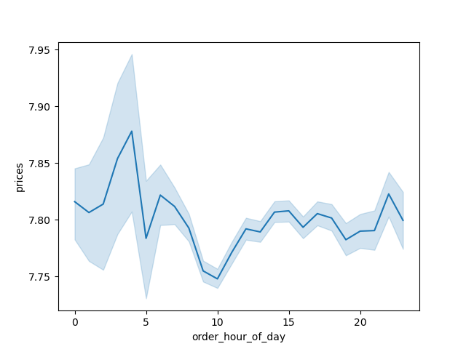
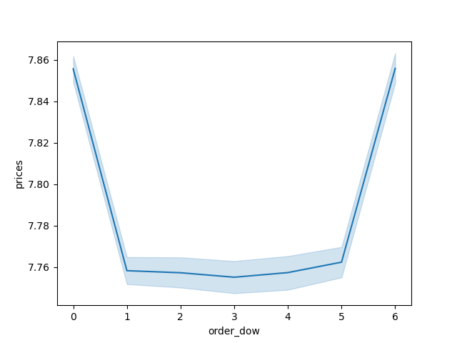

This line graph shows that prices of orders spike in the early morning (2-3 a.m.) and are the lowest around (9-10 a.m.)
This line graph shows that the price of order is the highest on weekends and the lowest on weekdays.


Cost of Individual Items Frequency

This histogram shows that the majority of item prices fall in between $2-$15.

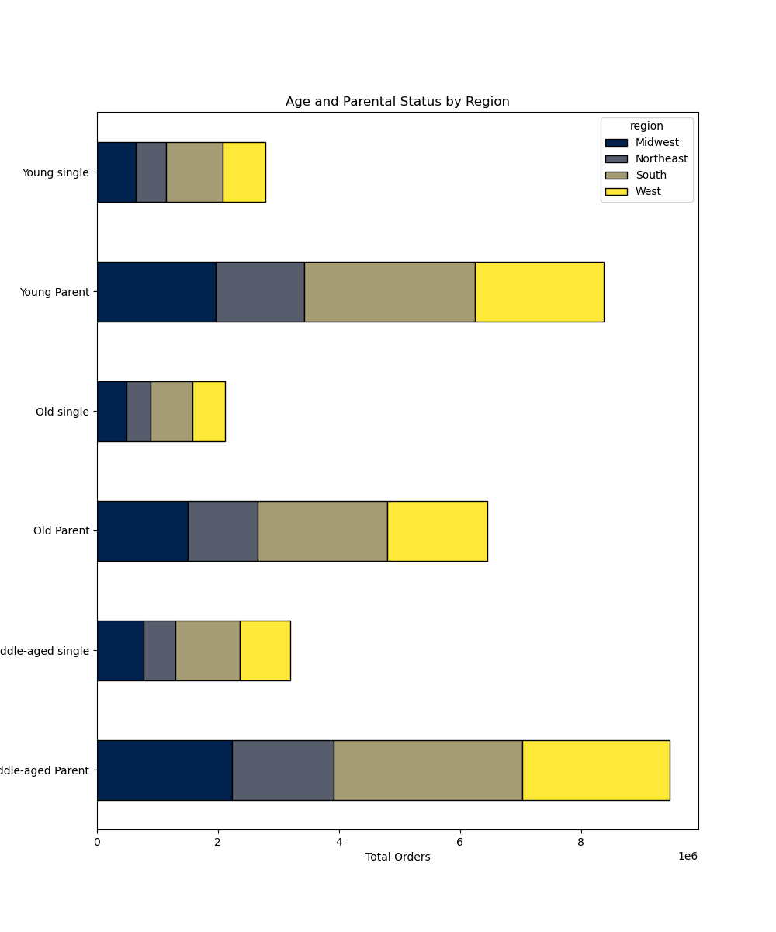

 |  |  |  |  |  |  |  |  |  |  |  |  |  | age_parental | Midwest | Northeast | South | West
 |  |  |  |  |  |  |  |  |  |  |  |  |  | Middle-aged Parent | 2235903 | 1679558 | 3115454 | 2439079
 |  |  |  |  |  |  |  |  |  |  |  |  |  | Young Parent | 1958140 | 1466821 | 2829570 | 2127831
 |  |  |  |  |  |  |  |  |  |  |  |  |  | Old Parent | 1498082 | 1158056 | 2145202 | 1653660
 |  |  |  |  |  |  |  |  |  |  |  |  |  | Middle-aged single | 769449 | 529921 | 1064431 | 831788
 |  |  |  |  |  |  |  |  |  |  |  |  |  | Young single | 642989 | 492533 | 946173 | 700135
 |  |  |  |  |  |  |  |  |  |  |  |  |  | Old single | 492762 | 395847 | 691055 | 540420

This stacked bar graph shows the breakdown of total orders from the chosen demographic, age and parental status, across different regions.

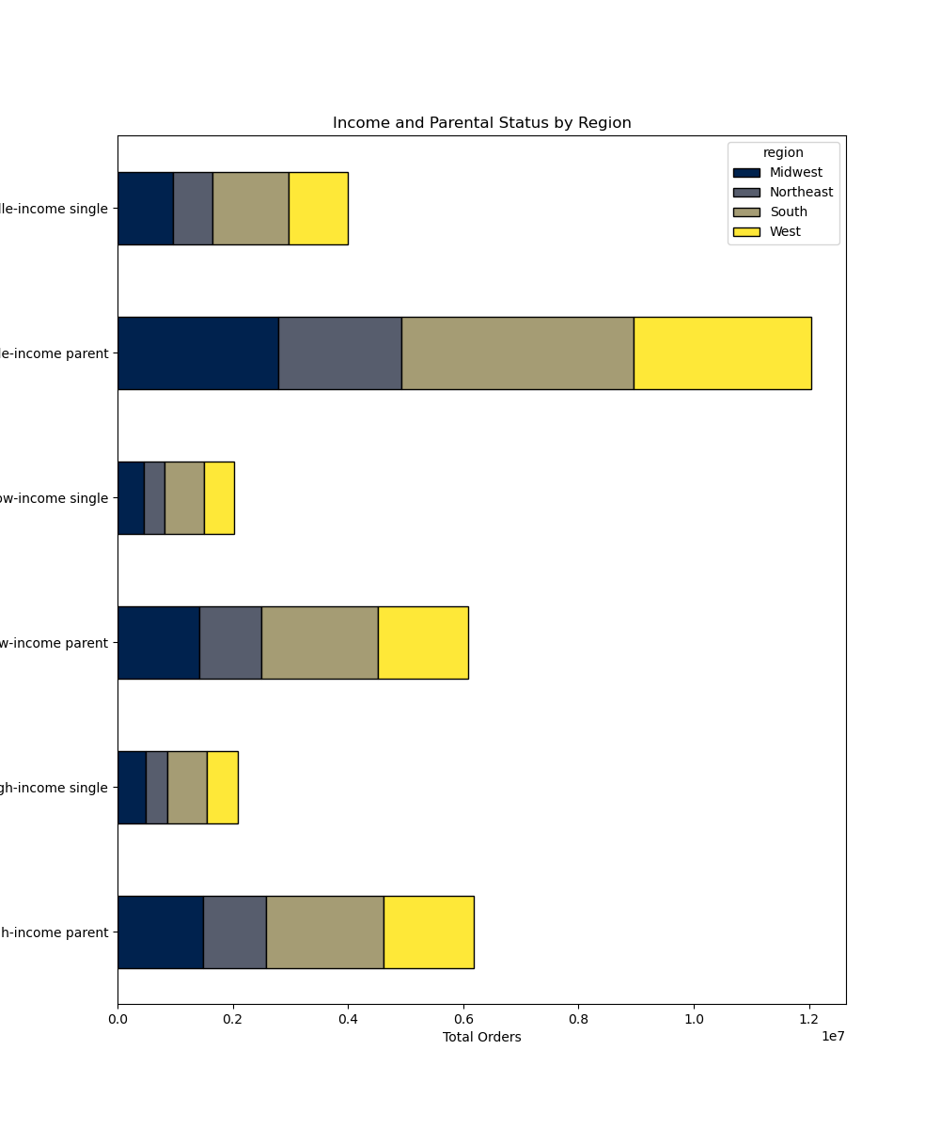

Middle-income single

Middle-income parent
 |  |  |  |  |  |  |  |  |  |  |  |  | income_parental | Midwest | Northeast | South | West
 |  |  |  |  |  |  |  |  |  |  |  |  | High-income parent | 1477211 | 1107878 | 2027562 | 1575643
 |  |  |  |  |  |  |  |  |  |  |  |  | High-income single | 495993 | 364392 | 689119 | 531244
 |  |  |  |  |  |  |  |  |  |  |  |  | Low-income parent | 1425201 | 1065232 | 2031360 | 1557165
 |  |  |  |  |  |  |  |  |  |  |  |  | Low-income single | 450833 | 363863 | 684789 | 522356
 |  |  |  |  |  |  |  |  |  |  |  |  | Middle-income parent | 2789713 | 2131325 | 4031304 | 3087762
 |  |  |  |  |  |  |  |  |  |  |  |  | Middle-income single | 958374 | 690046 | 1327751 | 1018743
Low-income single

Low-income parent
This stacked bar graph shows a breakdown of total orders from the chosen demographic, income and parental status, over different regions.

High-income single

High-income parent

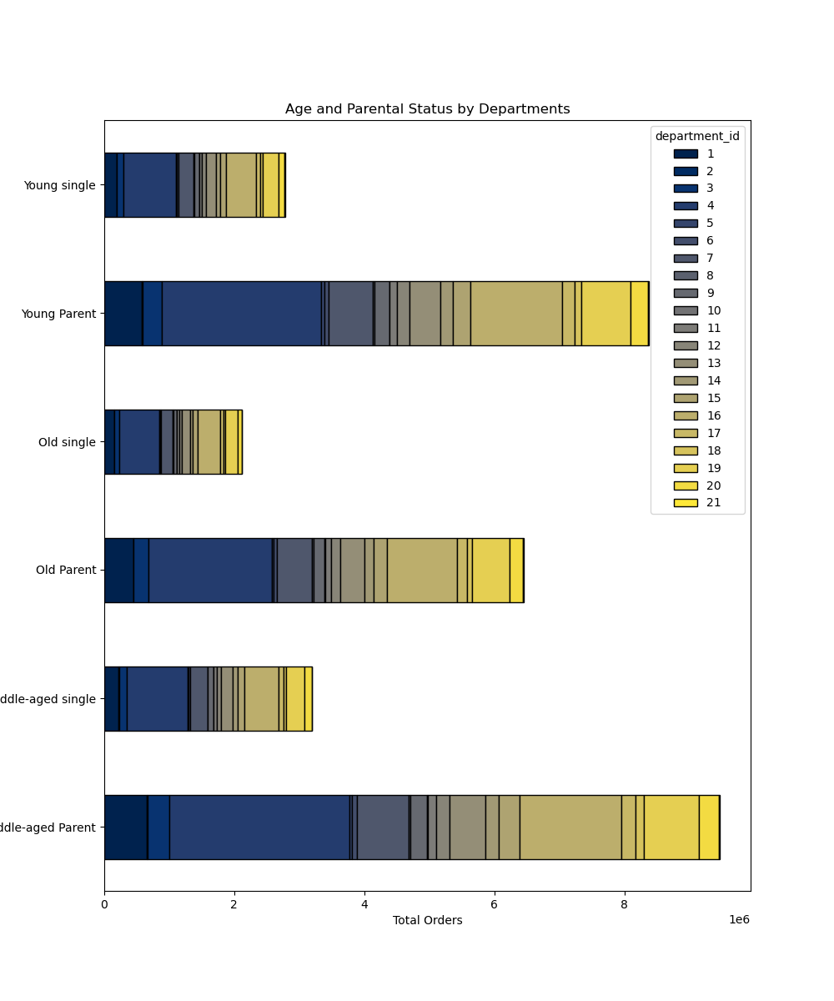

 |  |  |  |  |  |  |  |  |  |  |  |  | Department ID Dictionary

 |  |  |  |  |  |  |  |  |  |  |  |  | Column1 | department
 |  |  |  |  |  |  |  |  |  |  |  |  | 1 | frozen
 |  |  |  |  |  |  |  |  |  |  |  |  | 2 | other
 |  |  |  |  |  |  |  |  |  |  |  |  | 3 | bakery
 |  |  |  |  |  |  |  |  |  |  |  |  | 4 | produce
 |  |  |  |  |  |  |  |  |  |  |  |  | 5 | alcohol
 |  |  |  |  |  |  |  |  |  |  |  |  | 6 | international
 |  |  |  |  |  |  |  |  |  |  |  |  | 7 | beverages
 |  |  |  |  |  |  |  |  |  |  |  |  | 8 | pets
 |  |  |  |  |  |  |  |  |  |  |  |  | 9 | dry goods pasta
 |  |  |  |  |  |  |  |  |  |  |  |  | 10 | bulk
 |  |  |  |  |  |  |  |  |  |  |  |  | 11 | personal care
 |  |  |  |  |  |  |  |  |  |  |  |  | 12 | meat seafood
 |  |  |  |  |  |  |  |  |  |  |  |  | 13 | pantry
 |  |  |  |  |  |  |  |  |  |  |  |  | 14 | breakfast
 |  |  |  |  |  |  |  |  |  |  |  |  | 15 | canned goods
 |  |  |  |  |  |  |  |  |  |  |  |  | 16 | dairy eggs
 |  |  |  |  |  |  |  |  |  |  |  |  | 17 | household
 |  |  |  |  |  |  |  |  |  |  |  |  | 18 | babies
 |  |  |  |  |  |  |  |  |  |  |  |  | 19 | snacks
 |  |  |  |  |  |  |  |  |  |  |  |  | 20 | deli
 |  |  |  |  |  |  |  |  |  |  |  |  | 21 | missing

In this stacked bar graph we can see the chosen demographic's, age and parental status, breakdown of most ordered items. Across all demographics produce is the best selling department.

Department | 1 | 2 | 3 | 4 | 5 | 6 | 7 | 8 | 9 | 10 | 11 | 12 | 13 | 14 | 15 | 16 | 17 | 18 | 19 | 20 | 21
Middle-aged Parent | 654374 | 10520 | 341729 | 2762141 | 43876 | 78379 | 792838 | 28816 | 253643 | 10098 | 133830 | 207887 | 549439 | 205777 | 312145 | 1571542 | 218803 | 125724 | 842182 | 305885 | 20366
Middle-aged single | 220975 | 3636 | 116957 | 935957 | 15895 | 26659 | 266293 | 9122 | 84971 | 3231 | 43652 | 68424 | 184711 | 70170 | 104237 | 530914 | 70361 | 42260 | 284797 | 105746 | 6621
Old Parent | 445336 | 7134 | 233501 | 1890738 | 29272 | 53280 | 538405 | 19262 | 172632 | 7078 | 87567 | 143558 | 374873 | 139142 | 213770 | 1072464 | 149290 | 82764 | 572027 | 209118 | 13789
Old single | 148333 | 2291 | 76021 | 623025 | 9764 | 17494 | 176427 | 7024 | 56303 | 2164 | 29838 | 46556 | 122106 | 44702 | 68668 | 353749 | 47645 | 26681 | 188488 | 68500 | 4305
Young Parent | 577873 | 9462 | 302793 | 2450967 | 41430 | 69881 | 682438 | 25055 | 225090 | 9119 | 114169 | 183398 | 484300 | 183537 | 277305 | 1405379 | 189800 | 108820 | 752543 | 271101 | 17902
Young single | 187852 | 3248 | 101427 | 816463 | 13459 | 23560 | 231722 | 8437 | 73988 | 2883 | 38516 | 59104 | 159940 | 59705 | 91933 | 464699 | 62767 | 37553 | 247513 | 90899 | 6162

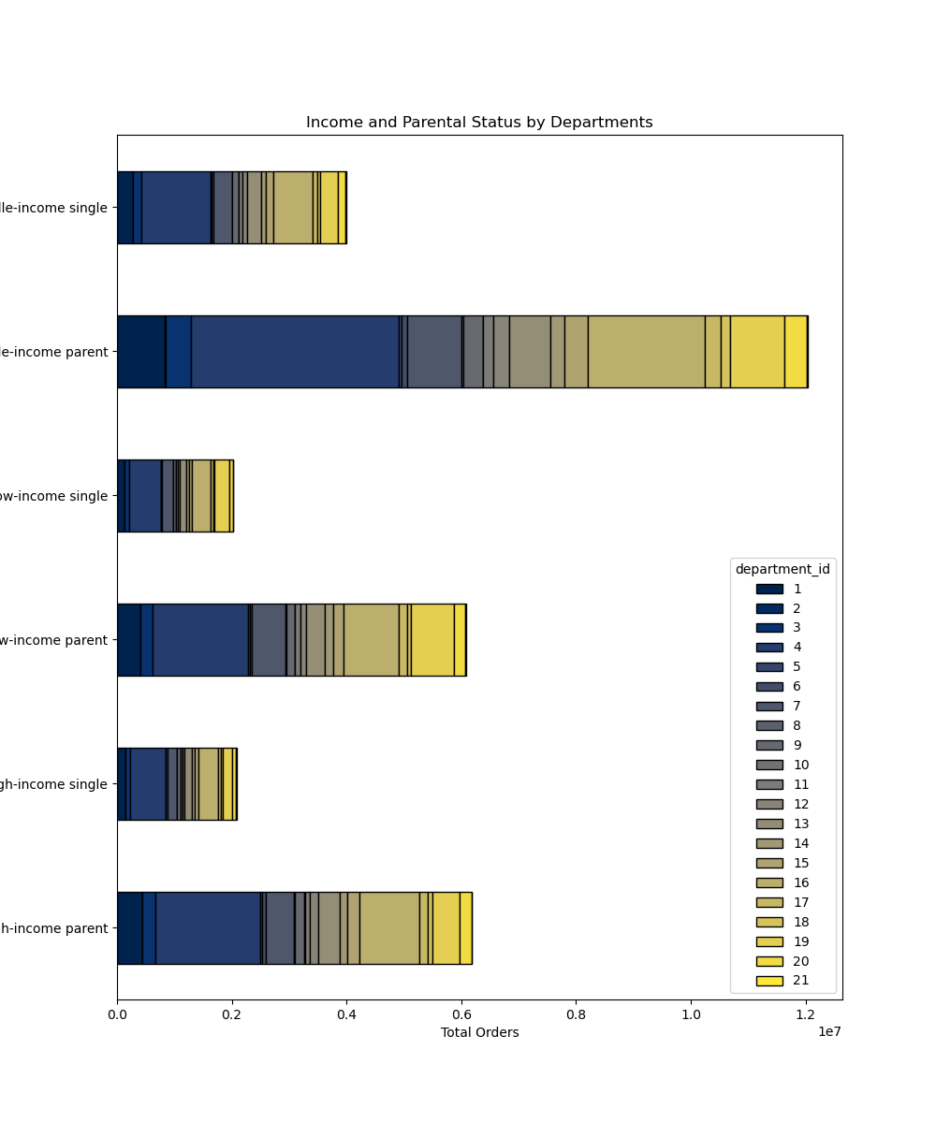

Middle-income single

 |  |  |  |  |  |  |  |  |  |  |  |  |  | Department ID Dictionary

 |  |  |  |  |  |  |  |  |  |  |  |  |  | Column1 | department
 |  |  |  |  |  |  |  |  |  |  |  |  |  | 1 | frozen
 |  |  |  |  |  |  |  |  |  |  |  |  |  | 2 | other
 |  |  |  |  |  |  |  |  |  |  |  |  |  | 3 | bakery
 |  |  |  |  |  |  |  |  |  |  |  |  |  | 4 | produce
 |  |  |  |  |  |  |  |  |  |  |  |  |  | 5 | alcohol
 |  |  |  |  |  |  |  |  |  |  |  |  |  | 6 | international
 |  |  |  |  |  |  |  |  |  |  |  |  |  | 7 | beverages
 |  |  |  |  |  |  |  |  |  |  |  |  |  | 8 | pets
 |  |  |  |  |  |  |  |  |  |  |  |  |  | 9 | dry goods pasta
Low-income parent
 |  |  |  |  |  |  |  |  |  |  |  |  |  | 10 | bulk
 |  |  |  |  |  |  |  |  |  |  |  |  |  | 11 | personal care
 |  |  |  |  |  |  |  |  |  |  |  |  |  | 12 | meat seafood
 |  |  |  |  |  |  |  |  |  |  |  |  |  | 13 | pantry
 |  |  |  |  |  |  |  |  |  |  |  |  |  | 14 | breakfast
 |  |  |  |  |  |  |  |  |  |  |  |  |  | 15 | canned goods
High-income single
 |  |  |  |  |  |  |  |  |  |  |  |  |  | 16 | dairy eggs
 |  |  |  |  |  |  |  |  |  |  |  |  |  | 17 | household
 |  |  |  |  |  |  |  |  |  |  |  |  |  | 18 | babies
 |  |  |  |  |  |  |  |  |  |  |  |  |  | 19 | snacks
 |  |  |  |  |  |  |  |  |  |  |  |  |  | 20 | deli
 |  |  |  |  |  |  |  |  |  |  |  |  |  | 21 | missing
High-income parent

In this stacked bar graph we can see the chosen demographic's, income and parental status, breakdown of most ordered items. Across all demographics produce is the best selling department.

Department | 1 | 2 | 3 | 4 | 5 | 6 | 7 | 8 | 9 | 10 | 11 | 12 | 13 | 14 | 15 | 16 | 17 | 18 | 19 | 20 | 21
High-income parent | 434477 | 6997 | 232305 | 1827574 | 31932 | 52409 | 492965 | 19113 | 171865 | 6030 | 85452 | 148694 | 366536 | 130563 | 215460 | 1049171 | 142179 | 83392 | 477175 | 200613 | 13392
High-income single | 146074 | 2351 | 77439 | 617484 | 11539 | 17835 | 166754 | 7425 | 56834 | 1923 | 28782 | 47477 | 123666 | 43207 | 70156 | 350686 | 47806 | 28396 | 162805 | 67753 | 4356
Low-income parent | 406481 | 6661 | 208205 | 1659081 | 29696 | 45687 | 582581 | 17301 | 142853 | 7450 | 84863 | 100852 | 329913 | 148407 | 176587 | 959089 | 146253 | 65553 | 754687 | 194072 | 12686
Low-income single | 133283 | 2404 | 68956 | 554623 | 10051 | 15229 | 193930 | 5599 | 47470 | 2238 | 29313 | 32564 | 109856 | 48125 | 59090 | 321227 | 48287 | 20861 | 248636 | 65714 | 4385
Middle-income parent | 836625 | 13458 | 437513 | 3617191 | 52950 | 103444 | 938135 | 36719 | 336647 | 12815 | 165251 | 285297 | 712163 | 249486 | 411173 | 2041125 | 269461 | 168363 | 934890 | 391419 | 25979
Middle-income single | 277803 | 4420 | 148010 | 1203338 | 17528 | 34649 | 313758 | 11559 | 110958 | 4117 | 53911 | 94043 | 233235 | 83245 | 135592 | 677449 | 84680 | 57237 | 309357 | 131678 | 8347

7. Recommendations
 |  |  | Title page

Recommendations

Question | Answer | Recommendation
The sales team needs to know what the busiest days of the week and hours of the day are (i.e., the days and times with the most orders) in order to schedule ads at times when there are fewer orders. | The busiest days of the week are Fridays, Saturdays, and Sundays. The weekdays Monday - Thursday are much slower. The busiest hours of the day are from late morning until early afternoon (Approx. 9 a.m. - 4 p.m. | Schedule ads during the early morning and late evening to boost sales when business is slower.
They also want to know whether there are particular times of the day when people spend the most money, as this might inform the type of products they advertise at these times. | In the early morning, around 2 a.m.- 3 a.m, the prices of orders and items spikes. | Capitilize on the increased spending habits during this time by advertising items or sales between 2 a.m. - 3 a.m.
Instacart has a lot of products with different price tags. Marketing and sales want to use simpler price range groupings to help direct their efforts. | Group products by price range. Items under $5 are low- range product, items between $5-$15 as mid-range product, and items worth more than $15 are high-range items. | Mid-range products are the best selling items. Advertising mid-range products is crucial, but advertising expensive items could bolster sales and lead to higher profits.
Are there certain types of products that are more popular than others? The marketing and sales teams want to know which departments have the highest frequency of product orders. | Produce sees by far the most orders. Eggs/dairy, beverages, and snacks also take up a large portion of total items sold. | Instituting sales and advertising for the most popular departments will allow for more sales. For departments that receive some of the fewest orders like alcohol, bulk, and 'other' departments creating combo discounts with items from popular departments could raise the floor of sales. For example, offering half off a snack item when a pack of beer is purchased.
What’s the distribution among users in regards to their brand loyalty (i.e., how often do they return to Instacart)? | Customers that have placed more than 40 hours are considered 'loyal customers'. Customers that have placed between 10 - 40 orders are considered 'regular customers'. Customers that have placed 10 or less orders are considered 'new customers'. There are 112,328 new customers, 76,864 regular customers, and 17,017 loyal customers. Most orders are from regular customers (15,876,776 orders), followed by loyal customers (10,284,093 orders), and finally new customers (6,243,990 orders). | The majority of customers are 'new customers'. Creating a loyalty program that rewards being a repeat shopper could increase new customers' loyalty status. Setting milestones for free delivery or other reduced fees would incentivize customers to keep using instacart's services.
Is there a connection between age and family status in terms of ordering habits? | Parents and middle-aged (40-65) people, in their respective demographics make up the most orders. Middle aged parents as a combo demographic make up the most orders. Old (65+) single people make up the fewest total orders. | Families tend to order the most from instacart. It would be wise to run targeted ad campaigns for families to increase sales.
What different classifications does the demographic information suggest? Age? Income? Certain types of goods? Family status? | Most customers fall in the middle-income income bracket ($67,000 - $127,000). Most customers also fall into the middle age (40-65) age bracket. Single people over the age of 65 make up the smallest portion of orders. | Marketing baby items to young parents could increase sales for this demographic. Parents in general make up the majority of instacart customers. Marketing to this demographic may increase sales. A possible avenue could be offering an instacart membership that waves delivery fees. This would ensure money up front from loyal customers and likely increase loyalty for many customers from different demographics that are budget conscious.

